Main

287247212
 |  |  | SWOT-Analysis Tool

 |  |  |  | Language
 |  |  |  | English

 | What is a SWOT analysis?
 | A SWOT analysis is a structured method of planning to identify Strengths and Weaknesses as well as the identification of both the Opportunities and Threats in a project or in a company. This analysis leads to a sensitivity to the company/project and is the cornerstone of any successful strategic plan.

1
Analysis
 |  | SWOT Analysis

 |  | Identifies the Strengths, Weaknesses, Opportunities and Threats to your company.

2
View
 |  | Results

 |  | Allows the user to navigate through the Results page.

@
i
*
 | © exact construct GmbH

Strengths
Strengths

Statement | Answer | Category | Evaluation

 |  | TOTAL: | 0

Weaknesses
Weaknesses

Statement | Answer | Category | Evaluation

 |  | TOTAL: | 0

Opportunites
Opportunities

Statement | Answer | Category | Evaluation

 |  | TOTAL: | 0

Threats
Threats

Statement | Answer | Category | Evaluation

 |  | TOTAL: | 0

Results
Results

Total Strengths: | 0 | Total Weakness: | 0
Total Opportunities: | 0 | Total Threats: | 0
Positive Factor: | 0 | Negative Factor: | 0

 |  | Strategic Basis: | 0
 |  |  |  | Strengths | 0
 |  |  |  | Opportunities | 0
 |  |  |  | Weaknesses | 0
 |  |  |  | Threats | 0

Settings
H
H

Sheet Translations
Sheet Translations |  |  |  | Object/Button Translations |  |  | Answers | Answer Type |  |  | Message Box Translations |  |  | Help Information Translations |  |  | Ribbon Objects | Ribbon Labels |  |  | Ribbon Labels
Sheets | Translation | English | Deutsch | Translation | English | Deutsch | Translation | Answers | Deustch | Value | Translation | English | Deutsch | Translation | English | Deutsch | Ribbon Object | Translation | English | Deutsch | Translation | English | Deutsch
Main | SWOT-Analysis Tool | SWOT-Analysis Tool | SWOT-Anlayse Tool | Strengths | Strengths | Stärken | Applicable | Applicable | Zutreffend | 5 | Warning! | Warning! | Warnung! | HELP GUIDE | HELP GUIDE | HILFE-HANDBUCH | 346544212 | SWOT CONTROL | SWOT CONTROL | SWOT STEUERUNG | Jump to the title page of the tool. | Jump to the title page of the tool. | Springt zum Hauptmenu.
Main | What is a SWOT analysis? | What is a SWOT analysis? | Was ist eine SWOT-Analyse? | Weaknesses | Weaknesses | Schwächen | Rather applicable | Rather applicable | Eher zutreffend | 4 | Missing Inputs | Missing Inputs | Fehlende Eingaben | Main Page | Main Page | Startseite |  | Home and Settings | Home and Settings | Startseite und Einstellungen | Jump to the settings sheet of the tool. | Jump to the settings sheet of the tool. | Springt zu den Einstellungen.
Object Translations
Main | SWOT Analysis | SWOT Analysis | SWOT-Analyse | Opportunities | Opportunities | Chancen | Neither applicable nor not applicable | Neither applicable nor not applicable | Weder zutreffend noch nicht zutreffend | 3 | Please first select a row within the table. | Please first select a row within the table. | Bitte wählen Sie zuerst eine Zeile in der Tabelle aus. | Strengths, Weaknesses, Opportunities and Threats Page | Strengths, Weaknesses, Opportunities and Threats Page | Stärken, Schwächen, Chancen und Risiken Seite |  | Home Sheet | Home Sheet | Startseite | Jump to the help information of the tool. | Jump to the help information of the tool. | Springt zur Hilfe.
Main | Identifies the Strengths, Weaknesses, Opportunities and Threats to your company. | Identifies the Strengths, Weaknesses, Opportunities and Threats to your company. | Identifiziert die Stärken, Schwächen, Chancen und Risiken für Ihr Unternehmen. | Threats | Threats | Risiken | Rather not applicable | Rather not applicable | Eher nicht zutreffend | 2 | Nothing to edit! | Nothing to edit! | Nichts zu bearbeiten! | Results Page | Results Page | Ergebnis |  | Language | Language | Sprache | Jump to the Strengths sheet of the tool. | Jump to the Strengths sheet of the tool. | Springt zu den Stärken.
Message Box Translations
Main | Results | Results | Resultate | Results | Results | Ergebnisse | Not applicable | Not applicable | Nicht zutreffend | 1 | Nothing to erase! | Nothing to erase! | Nichts zu löschen! | Settings Page | Settings Page | Einstellungen |  | ENGLISH | ENGLISH | ENGLISCH | Jump to the Weaknesses sheet of the tool. | Jump to the Weaknesses sheet of the tool. | Springt den Schwächen.
Main | Allows the user to navigate through the Results page. | Allows the user to navigate through the Results page. | Ermöglicht dem Benutzer, durch die Ergebnisseite zu navigieren. | Add a statement | Add a statement | Aussage hinzufügen | Reject | Reject | Nicht anwendbar | 0 | Verify delete? | Verify delete? | Wollen Sie wirklich löschen? | Sheet Controls Tab | Sheet Controls Tab | Registerkarte SWOT Steuerung |  | GERMAN | GERMAN | DEUTSCH | Jumps to the Opportunities sheet of the tool. | Jumps to the Opportunities sheet of the tool. | Springt zu den Chancen.
Main | Analysis | Analysis | Analyse | To Edit | To Edit | Bearbeiten |  |  |  |  | Due to a design flaw in the architecture of the MS ribbon UI, | Due to a design flaw in the architecture of the MS ribbon UI, | Aufgrund eines Designfehlers in der Architektur des MS-Band-UI, | Short introduction to SWOT analysis. | Short introduction to SWOT analysis. | Kurze Einführung in die SWOT-Analyse. |  | Settings | Settings | Einstellungen | Jump to the Threats sheet of the tool. | Jump to the Threats sheet of the tool. | Springt zu den Risiken.
Help Information Translations
Main | View | View | Ansicht | Erase | Erase | Löschen |  |  |  |  | you have to close and re-open this tool. | you have to close and re-open this tool. | müssen Sie dieses Tool schliessen und erneut öffnen. | Shows the language selected. | Shows the language selected. | Zeigt die ausgewählte Sprache an. |  | Tool Information | Tool Information | Hilfe | Jump to the Results sheet of the tool. | Jump to the Results sheet of the tool. | Springt zu den Ergebnissen.
Main | Language | Language | Sprache | Re-compute | Re-compute | Neu berechnen |  |  |  |  | Sorry for the inconvienience. | Sorry for the inconvienience. | Wir bitten um Ihr Verständnis. | Directs the user to the analysis page. | Directs the user to the analysis page. | Leitet den Benutzer zur jeweiligen Analyse. |  | SWOT Navigation | SWOT Navigation | SWOT Navigation | Jump back to the Strengths sheet and selects the first and the first column of the answer column. | Jump back to the Strengths sheet and selects the first and the first column of the answer column. | Springt zurück zum Blatt Stärken und wählt die erste Spalte der Antwortspalte aus.
Answer Settings
Main | A SWOT analysis is a structured method of planning to identify Strengths and Weaknesses as well as the identification of both the Opportunities and Threats in a project or in a company. This analysis leads to a sensitivity to the company/project and is the cornerstone of any successful strategic plan. | A SWOT analysis is a structured method of planning to identify Strengths and Weaknesses as well as the identification of both the Opportunities and Threats in a project or in a company. This analysis leads to a sensitivity to the company/project and is the cornerstone of any successful strategic plan. | Eine SWOT-Analyse ist eine strukturierte Methode, um Stärken und Schwächen zu identifizieren sowie die Chancen und Risiken eines Projektes oder eines Unternehmens zu identifizieren. Diese Analyse führt zu einer Sensibilität gegenüber dem Unternehmen/Projekt und ist der Grundstein jedes erfolgreichen strategischen Planens. | Cancel | Cancel | Abbrechen |  |  |  |  | Multiple rows selected, proceed to deleting? | Multiple rows selected, proceed to deleting? | Mehrere Zeilen ausgewählt, weiter zum Löschen? | Directs the user to the results page. | Directs the user to the results page. | Leitet den Benutzer zum Ergebnis. |  | Strengths | Strengths | Stärken | Exports the entire SWOT analysis, including the results, to a PDF file. | Exports the entire SWOT analysis, including the results, to a PDF file. | Exportiert die gesamte SWOT-Analyse einschliesslich der Ergebnisse in eine PDF-Datei.
SWOT | Statement | Statement | Aussage | Submit | Submit | Speichern |  |  |  |  | Multiple rows selected, rows can only be editted one by one. | Multiple rows selected, rows can only be editted one by one. | Mehrere Zeilen werden ausgewählt, Zeilen können nur nacheinander bearbeitet werden. | Mail support of the tool | Mail support of the tool | E-Mail Support |  | Weaknesses | Weaknesses | Schwächen | Exports the Strength category of the SWOT analysis. | Exports the Strength category of the SWOT analysis. | Exportiert die Stärken der SWOT-Analyse.
SWOT | Answer | Answer | Antwort | Add Statement | Add Statement | Aussage hinzufügen |  |  |  |  | File name not entered! | File name not entered! | Dateiname nicht eingetragen! | Directs the user to the settings page. | Directs the user to the settings page. | Leitet den Benutzer zu den Einstellungen. |  | Opportunities | Opportunities | Chancen | Exports the Weaknesses category of the SWOT analysis. | Exports the Weaknesses category of the SWOT analysis. | Exportiert die Schwächen der SWOT-Analyse.
SWOT | Category | Category | Kategorie | Add Category | Add Category | Kategorie hinzufügen |  |  |  |  | File already exists and is opened! | File already exists and is opened! | Datei existiert bereits und ist geöffnet! | Directs the user to the help page. | Directs the user to the help page. | Leitet den Benutzer zur Hilfe. |  | Threats | Threats | Risiken | Exports the Opportunity category of the SWOT analysis. | Exports the Opportunity category of the SWOT analysis. | Exportiert die Chancen der SWOT-Analyse.
SWOT | Evaluation | Evaluation | Auswertung | Edit Statement | Edit Statement | Aussage bearbeiten |  |  |  |  | File already exists, would you like to replace it? | File already exists, would you like to replace it? | Datei existiert bereits, möchten Sie sie ersetzen? | Current activated page. | Current activated page. | Aktuell aktive Seite. |  | Results | Results | Ergebnisse | Exports the Threat category of the SWOT analysis. | Exports the Threat category of the SWOT analysis. | Exportiert die Risiken der SWOT-Analyse.
SWOT | TOTAL: | TOTAL: | GESAMT: | Edit Category | Edit Category | Kategorie bearbeiten |  |  |  |  | Save Complete! | Save Complete! | Speichern abgeschlossen! | Statements based on the factor for evaluation. | Statements based on the factor for evaluation. | Aussagen nach dem Faktor für die Bewertung. |  | Re-Compute | Re-Compute | Neu berechnen | Exports the Result category of the SWOT analysis. | Exports the Result category of the SWOT analysis. | Exportiert das Ergebnis der SWOT-Analyse.
SWOT | NAVIGATION | NAVIGATION | NAVIGATION |  |  |  |  |  |  |  | Unable to export current sheet. | Unable to export current sheet. | Das aktuelle Blatt konnte nicht exportiert werden. | User's response on each statement. | User's response on each statement. | Benutzerantwort zur Aussage. |  | Add Statement | Add Statement | Aussage hinzufügen
SWOT | Total Strengths: | Total Strengths: | Gesamtstärken: |  |  |  |  |  |  |  | Only sheets Strengths, Weaknesses, Opportunities, Threats or Results may be exported when this button is clicked. | Only sheets Strengths, Weaknesses, Opportunities, Threats or Results may be exported when this button is clicked. | Nur die Blätter Stärken, Schwächen, Chancen, Risiken oder Ergebnisse können exportiert werden, wenn diese Schaltfläche angeklickt wird. | User's choices for the response. | User's choices for the response. | Vordefinierte Antwortmöglichkeit. |  | Edit Statement | Edit Statement | Aussage bearbeiten
SWOT | Total Opportunities: | Total Opportunities: | Gesamtchancen: |  |  |  |  |  |  |  | Enter File Name: | Enter File Name: | Geben Sie den Dateinamen ein: | Ratings on each category of the factor. | Ratings on each category of the factor. | Wert zu jeder Kategorie. |  | Erase Statement | Erase Statement | Aussage löschen
SWOT | Total Weakness: | Total Weakness: | Gesamtschwäche: |  |  |  |  |  |  |  | File Name | File Name | Dateiname | Factor chart (Strengths, Weaknesses, Opportunities and Threats) | Factor chart (Strengths, Weaknesses, Opportunities and Threats) | Faktordiagramm (Stärken, Schwächen, Chancen und Risiken) |  | Export SWOT-Analysis | Export SWOT-Analysis | SWOT-Analyse exportieren
SWOT | Total Threats: | Total Threats: | Gesamtrisiken: |  |  |  |  |  |  |  | Unable to add, edit or delete statement. | Unable to add, edit or delete statement. | Aussage kann nicht hinzugefügt, bearbeitet oder gelöscht werden. | SWOT Analysis Overall Results. | SWOT Analysis Overall Results. | SWOT-Analyse Gesamtergebnisse. |  | Export Strengths Analysis | Export Strengths Analysis | Stärken exportieren
SWOT | Positive Factor: | Positive Factor: | Positiver Faktor: |  |  |  |  |  |  |  | None of the sheets Strengths, Weaknesses, Opportunities or Threats is active. | None of the sheets Strengths, Weaknesses, Opportunities or Threats is active. | Keines des Blätter Stärken, Schwächen, Chancen oder Risiken ist aktiv. | Strategic baseline value. | Strategic baseline value. | Strategischer Ausgangswert. |  | Export Weaknesses Analysis | Export Weaknesses Analysis | Schwächen exportieren
SWOT | Negative Factor: | Negative Factor: | Negativer Faktor: |  |  |  |  |  |  |  | Please do not include special characters for the filename. | Please do not include special characters for the filename. | Please do not include special characters for the filename. | SWOT (Strengths, Weaknesses, Opportunities and Threats) Chart. | SWOT (Strengths, Weaknesses, Opportunities and Threats) Chart. | SWOT (Stärken, Schwächen, Chancen und Risiken) Diagramm. |  | Export Opportunities Analysis | Export Opportunities Analysis | Chancen exportieren
SWOT | Strategic Basis: | Strategic Basis: | Strategische Basis: |  |  |  |  |  |  |  | Can only add 5 statements. | Can only add 5 statements. | Can only add 5 statements. | Directs the user to the main page. | Directs the user to the main page. | Leitet den Benutzer zur Hauptseite. |  | Export Threats Analysis | Export Threats Analysis | Risiken exportieren
SWOT | SWOT Analysis - Strengths | SWOT Analysis - Strengths | SWOT Anlayse - Stärken |  |  |  |  |  |  |  |  |  |  | Directs the user to the different translations of the tool. | Directs the user to the different translations of the tool. | Leitet den Benutzer zu den verschiedenen Übersetzungs-Kategorien des Tools |  | Export Results Analysis | Export Results Analysis | Ergebnisse exportieren
SWOT | SWOT Analysis - Weaknesses | SWOT Analysis - Weaknesses | SWOT Analysis - Schwächen |  |  |  |  |  |  |  |  |  |  | User's choices for each category of the SWOT analysis. | User's choices for each category of the SWOT analysis. | Benutzerauswahl für jede Kategorie der SWOT-Analyse. |  | SWOT Control | SWOT Control | SWOT Steuerung
SWOT | SWOT Analysis - Opportunities | SWOT Analysis - Opportunities | SWOT Analysis - Chancen |  |  |  |  |  |  |  |  |  |  | Value of each answer choice. | Value of each answer choice. | Wert jeder Antwortmöglichkeit.
SWOT | SWOT Analysis - Threats | SWOT Analysis - Threats | SWOT Analysis - Risiken |  |  |  |  |  |  |  |  |  |  | Table of answer choices. User may add more answer choices and set their corresponding values. | Table of answer choices. User may add more answer choices and set their corresponding values. | Tabelle der Antwortmöglichkeiten. Der Benutzer kann weitere Antwortoptionen hinzufügen und die entsprechenden Werte festlegen.
SWOT | SWOT Analysis - Results | SWOT Analysis - Results | SWOT Analysis - Ergebnisse |  |  |  |  |  |  |  |  |  |  | Translations of the tool. | Translations of the tool. | Übersetzungen des Tools.
 |  |  |  |  |  |  |  |  |  |  |  |  |  | Lets the user select the language. | Lets the user select the language. | Lässt den Benutzer die Sprache auswählen.
 |  |  |  |  |  |  |  |  |  |  |  |  |  | Directs to user to each category of the analysis page. | Directs to user to each category of the analysis page. | Leitet den Benutzer zur jeweiligen Analyse-Kategorie.
 |  |  |  |  |  |  |  |  |  |  |  |  |  | Directs the user back to the Strengths page and puts the focus to the answer column. | Directs the user back to the Strengths page and puts the focus to the answer column. | Leitet den Benutzer zurück zur Seite 'Stärken' und setzt den Fokus auf die Antwortspalte.
 |  |  |  |  |  |  |  |  |  |  |  |  |  | Directs the user to the results page of the SWOT analysis. | Directs the user to the results page of the SWOT analysis. | Leitet den Benutzer zu den Ergebnissen der SWOT-Analyse.
 |  |  |  |  |  |  |  |  |  |  |  |  |  | Function buttons for adding, editting or erasing statements for each SWOT category. | Function buttons for adding, editting or erasing statements for each SWOT category. | Funktionsknöpfe zum Hinzufügen, Bearbeiten oder Löschen von Aussagen für jede SWOT-Kategorie.
 |  |  |  |  |  |  |  |  |  |  |  |  |  | Lets the user choose a single category of the SWOT analysis including the results to export. | Lets the user choose a single category of the SWOT analysis including the results to export. | Ermöglicht dem Benutzer, eine einzelne Kategorie der SWOT-Analyse auszuwählen um sie zu exportieren.
 |  |  |  |  |  |  |  |  |  |  |  |  |  | Exports the complete SWOT analysis (Strengths, Weaknesses, Opportunities, Threats and Results). | Exports the complete SWOT analysis (Strengths, Weaknesses, Opportunities, Threats and Results). | Exportiert die gesamte SWOT-Analyse (Stärken, Schwächen, Chancen, Risiken und Ergebnisse).
 |  |  |  |  |  |  |  |  |  |  |  |  |  | Currently activated tab. | Currently activated tab. | Aktuell aktive Registerkarte.
 |  |  |  |  |  |  |  |  |  |  |  |  |  | Back to top | Back to top | Zurück nach oben

Help
H
Main Page
Strengths, Weaknesses, Opportunities and Threats Page
Results Page
Settings Page
Sheet Controls Tab
HELP GUIDE
Back to top
Main Page

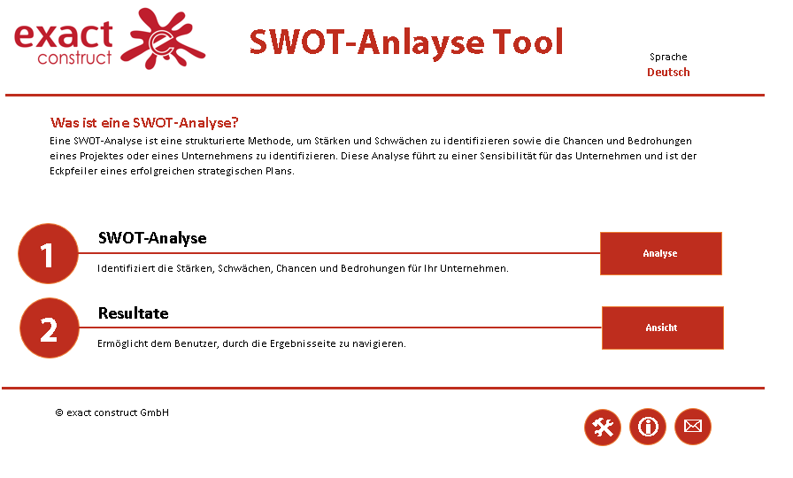
Shows the language selected.

Short introduction to SWOT analysis.

Directs the user to the analysis page.

Directs the user to the results page.

Directs the user to the settings page.
Mail support of the tool

Directs the user to the help page.

Back to top
Strengths, Weaknesses, Opportunities and Threats Page

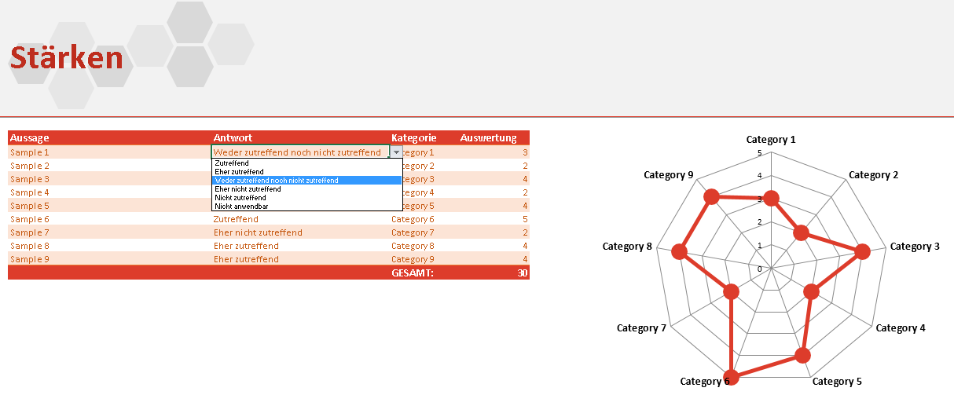
Current activated page.

Statements based on the factor for evaluation.

User's response on each statement.
Ratings on each category of the factor.

User's choices for the response.

Factor chart (Strengths, Weaknesses, Opportunities and Threats)

Back to top
Results Page

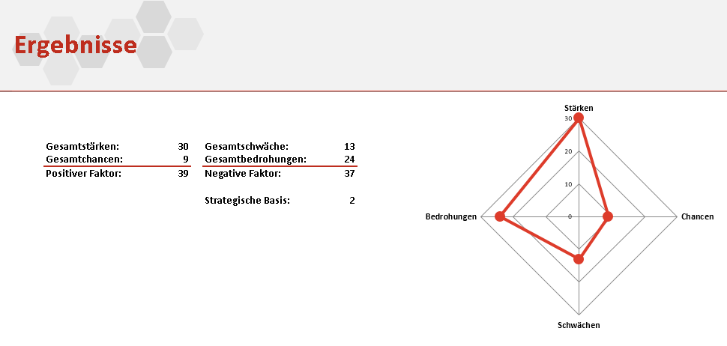
Current activated page.

SWOT (Strengths, Weaknesses, Opportunities and Threats) Chart.

SWOT Analysis Overall Results.
Strategic baseline value.

Back to top
Translations of the tool.
Settings Page
Directs the user to the main page.

Directs the user to the different translations of the tool.

Table of answer choices. User may add more answer choices and set their corresponding values.

User's choices for each category of the SWOT analysis.

Value of each answer choice.

Back to top
Sheet Controls Tab
Lets the user select the language.
Directs the user to the settings page.
Currently activated tab.

Exports the complete SWOT analysis (Strengths, Weaknesses, Opportunities, Threats and Results).
Directs the user to the main page.

Directs the user to the help page.
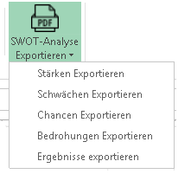

Directs to user to each category of the analysis page.
Function buttons for adding, editting or erasing statements for each SWOT category.

Directs the user to the results page of the SWOT analysis.

Lets the user choose a single category of the SWOT analysis including the results to export.

Directs the user back to the Strengths page and puts the focus to the answer column.

